npc's
NPC's in Towns and Cities
(house rules for the Nemmyrl Campaign World)
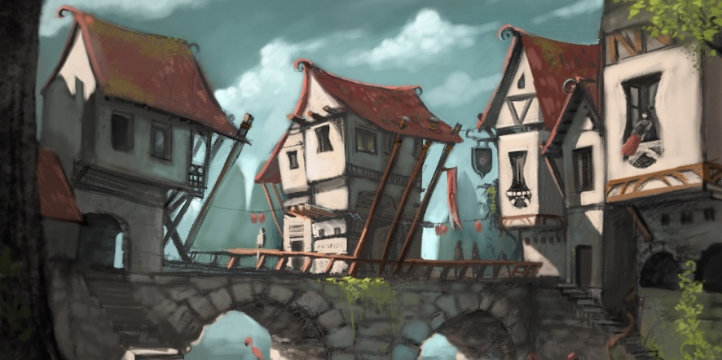

Every town and city have NPC's as permanent residents as well as NPC's just passing through.
Drawing off the 3.5 DMG rules for NPC's in towns and cities, the following tables give an approximate breakdown of what NPC's are available and at what level.
The numbers are approximations that come in handy if the question comes up in an adventure, but may be adjusted as needed.
Larger settlements tend to have NPC's of higher level and in greater number.
If looking for an NPC of a higher level than is listed, roll d100 to see if one is available.
Every level above that readily available has a percentage chance listed.
Start with the highest level NPC being sought. If you roll the target number or less, one is available at that level.
Multiple rolls are allowed, but the total number of high-level NPC's found cannot exceed the Size Factor of the town or city.
Notes on how these numbers were generated:
* adepts are more rural so they make up no more than 0.5% of the total population in settlements larger than a village
* aristocrats should make up no more than 1% of the total population
* commoners should be the largest segment of the population, 80% seemed a reasonable number
* experts and artisans should be at least 10% of the population
* warriors should be at least large enough to cover the militia # (1%) plus freelance warriors

Customizing towns for Nemmyrl: Common versus Uncommon NPC's
In some regions, one or two NPC classes are more common based on the local culture.
This is reflected in the Class Shift notes for each region (or may be listed for a specific town or city). (See Class Shift notes at the bottom of the rules).
If a Class Shift note indicates "Uncommon" then this class isn't as prevalent in this region.
If a Class Shift note indicates "Common" then this class is more prevalent in this region.
The number of NPC's for an Uncommon class is moved to and added to an NPC class that is Common to that region.
A very prevalent class can be listed twice as Common. This means it absorbs the numbers for multiple Uncommon classes.
(e.g. For example, monks and wizards are not as prevalent in Norgarde as Barbarians are.
So a small town would have 9 1st-level, 6 2nd-level, 3 3rd-level, and 3 4th-level Barbarians total instead of the 3, 2, 1, 1 listed.
It would have zero Monks or Wizards listed.)

This is not to say there are zero NPC's present for an Uncommon class.
If looking for an NPC from an Uncommon class, simply follow the rules above for rolling d100 to see who you find.
This all assumes the party spends significant time while in the town or city actively looking for an NPC of a certain class.
This may take time and will possibly draw attention to the party while in town.

NPC's in Towns and Cities

Thorpe | Pop: | 80 | soldiery: | 1 | militia: | 4 | GP Limit: | 40 | Ready Cash (GP): |  | 100
size factor = 1 | 1st lvl | 2nd lvl | 3rd lvl | 4th lvl | 5th lvl | 6th lvl | 7th lvl | 8th lvl | 9th lvl | 10th lvl | total npc's | % of pop | target
Adept | 1 |  |  |  |  |  |  |  |  |  | 1 | 1.25% | 1.00%
Aristocrat |  |  |  |  |  |  |  |  |  |  | 0 | 0.00% | 0.50%
Commoner | 10 | 10 | 10 | 10 | 10 | 10 | 5 |  |  |  | 65 | 81.25% | 80.00%
Expert | 9 |  |  |  |  |  |  |  |  |  | 9 | 11.25% | 14.00%
Warrior | 5 |  |  |  |  |  |  |  |  |  | 5 | 6.25% | 1.75%
Barbarian | 90% | 80% | 70% | 60% | 50% | 40% | 30% | 20% | 10% | 5% |  |  | 0.25%
Bard | 90% | 80% | 70% | 60% | 50% | 40% | 30% | 20% | 10% | 5% |  |  | 0.25%
Cleric | 90% | 80% | 70% | 60% | 50% | 40% | 30% | 20% | 10% | 5% |  |  | 0.25%
Druid | 90% | 80% | 70% | 60% | 50% | 40% | 30% | 20% | 10% | 5% |  |  | 0.25%
Fighter | 90% | 80% | 70% | 60% | 50% | 40% | 30% | 20% | 10% | 5% |  |  | 0.25%
Monk | 90% | 80% | 70% | 60% | 50% | 40% | 30% | 20% | 10% | 5% |  |  | 0.25%
Paladin | 90% | 80% | 70% | 60% | 50% | 40% | 30% | 20% | 10% | 5% |  |  | 0.25%
Ranger | 90% | 80% | 70% | 60% | 50% | 40% | 30% | 20% | 10% | 5% |  |  | 0.25%
Rogue | 90% | 80% | 70% | 60% | 50% | 40% | 30% | 20% | 10% | 5% |  |  | 0.25%
Sorcerer | 90% | 80% | 70% | 60% | 50% | 40% | 30% | 20% | 10% | 5% |  |  | 0.25%
Wizard | 90% | 80% | 70% | 60% | 50% | 40% | 30% | 20% | 10% | 5% |  |  | 0.25%
 | 26 | 10 | 10 | 10 | 10 | 10 | 5 | 0 | 0 | 0 | 80 | 100.00% | 100.00%

Hamlet | Pop: | 400 | soldiery: | 4 | militia: | 20 | GP Limit: | 100 | Ready Cash (GP): |  | 1,250
size factor = 2 | 1st lvl | 2nd lvl | 3rd lvl | 4th lvl | 5th lvl | 6th lvl | 7th lvl | 8th lvl | 9th lvl | 10th lvl | total npc's | % of pop | target
Adept | 2 | 1 | 1 |  |  |  |  |  |  |  | 4 | 1.00% | 1.00%
Aristocrat |  |  |  |  |  |  |  |  |  |  | 0 | 0.00% | 0.50%
Commoner | 150 | 75 | 50 | 25 | 10 | 5 | 1 | 1 | 1 | 1 | 319 | 79.75% | 80.00%
Expert | 20 | 15 | 10 | 5 | 5 | 1 |  |  |  |  | 56 | 14.00% | 14.00%
Warrior | 3 | 2 | 2 |  |  |  |  |  |  |  | 7 | 1.75% | 1.75%
Barbarian | 1 | 80% | 70% | 60% | 50% | 40% | 30% | 20% | 10% | 5% | 1 | 0.25% | 0.25%
Bard | 90% | 80% | 70% | 60% | 50% | 40% | 30% | 20% | 10% | 5% |  | 0.00% | 0.25%
Cleric | 90% | 80% | 70% | 60% | 50% | 40% | 30% | 20% | 10% | 5% |  | 0.00% | 0.25%
Druid | 90% | 80% | 70% | 60% | 50% | 40% | 30% | 20% | 10% | 5% |  | 0.00% | 0.25%
Fighter | 1 | 80% | 70% | 60% | 50% | 40% | 30% | 20% | 10% | 5% | 1 | 0.25% | 0.25%
Monk | 90% | 80% | 70% | 60% | 50% | 40% | 30% | 20% | 10% | 5% |  | 0.00% | 0.25%
Paladin | 90% | 80% | 70% | 60% | 50% | 40% | 30% | 20% | 10% | 5% |  | 0.00% | 0.25%
Ranger | 1 | 80% | 70% | 60% | 50% | 40% | 30% | 20% | 10% | 5% | 1 | 0.25% | 0.25%
Rogue | 90% | 80% | 70% | 60% | 50% | 40% | 30% | 20% | 10% | 5% |  | 0.00% | 0.25%
Sorcerer | 90% | 80% | 70% | 60% | 50% | 40% | 30% | 20% | 10% | 5% |  | 0.00% | 0.25%
Wizard | 90% | 80% | 70% | 60% | 50% | 40% | 30% | 20% | 10% | 5% |  | 0.00% | 0.25%
 | 185 | 102 | 71 | 37 | 15 | 6 | 1 | 1 | 1 | 1 | 389 | 97.25% | 100.00%

NPC's in Towns and Cities

Village | Pop: | 900 | soldiery: | 9 | militia: | 45 | GP Limit: | 200 | Ready Cash (GP): |  | 6,500
size factor = 3 | 1st lvl | 2nd lvl | 3rd lvl | 4th lvl | 5th lvl | 6th lvl | 7th lvl | 8th lvl | 9th lvl | 10th lvl | total npc's | % of pop | target
Adept | 3 | 3 | 2 | 1 |  |  |  |  |  |  | 9 | 1.00% | 1.00%
Aristocrat |  |  |  |  |  |  |  |  |  |  | 0 | 0.00% | 0.50%
Commoner | 200 | 175 | 150 | 125 | 50 | 10 | 8 | 2 |  |  | 720 | 80.00% | 80.00%
Expert | 35 | 30 | 20 | 15 | 10 | 5 | 4 | 3 | 2 | 1 | 125 | 13.89% | 14.00%
Warrior | 6 | 4 | 3 | 2 | 1 |  |  |  |  |  | 16 | 1.78% | 1.75%
Barbarian | 1 | 1 | 70% | 60% | 50% | 40% | 30% | 20% | 10% | 5% | 2 | 0.22% | 0.25%
Bard | 1 | 1 | 70% | 60% | 50% | 40% | 30% | 20% | 10% | 5% | 2 | 0.22% | 0.25%
Cleric | 90% | 80% | 70% | 60% | 50% | 40% | 30% | 20% | 10% | 5% |  | 0.00% | 0.25%
Druid | 90% | 80% | 70% | 60% | 50% | 40% | 30% | 20% | 10% | 5% |  | 0.00% | 0.25%
Fighter | 1 | 1 | 1 | 1 | 50% | 40% | 30% | 20% | 10% | 5% | 4 | 0.44% | 0.25%
Monk | 90% | 80% | 70% | 60% | 50% | 40% | 30% | 20% | 10% | 5% |  | 0.00% | 0.25%
Paladin | 90% | 80% | 70% | 60% | 50% | 40% | 30% | 20% | 10% | 5% |  | 0.00% | 0.25%
Ranger | 1 | 1 | 70% | 60% | 50% | 40% | 30% | 20% | 10% | 5% | 2 | 0.22% | 0.25%
Rogue | 90% | 80% | 70% | 60% | 50% | 40% | 30% | 20% | 10% | 5% |  | 0.00% | 0.25%
Sorcerer | 90% | 80% | 70% | 60% | 50% | 40% | 30% | 20% | 10% | 5% |  | 0.00% | 0.25%
...

